DataQualitySheet
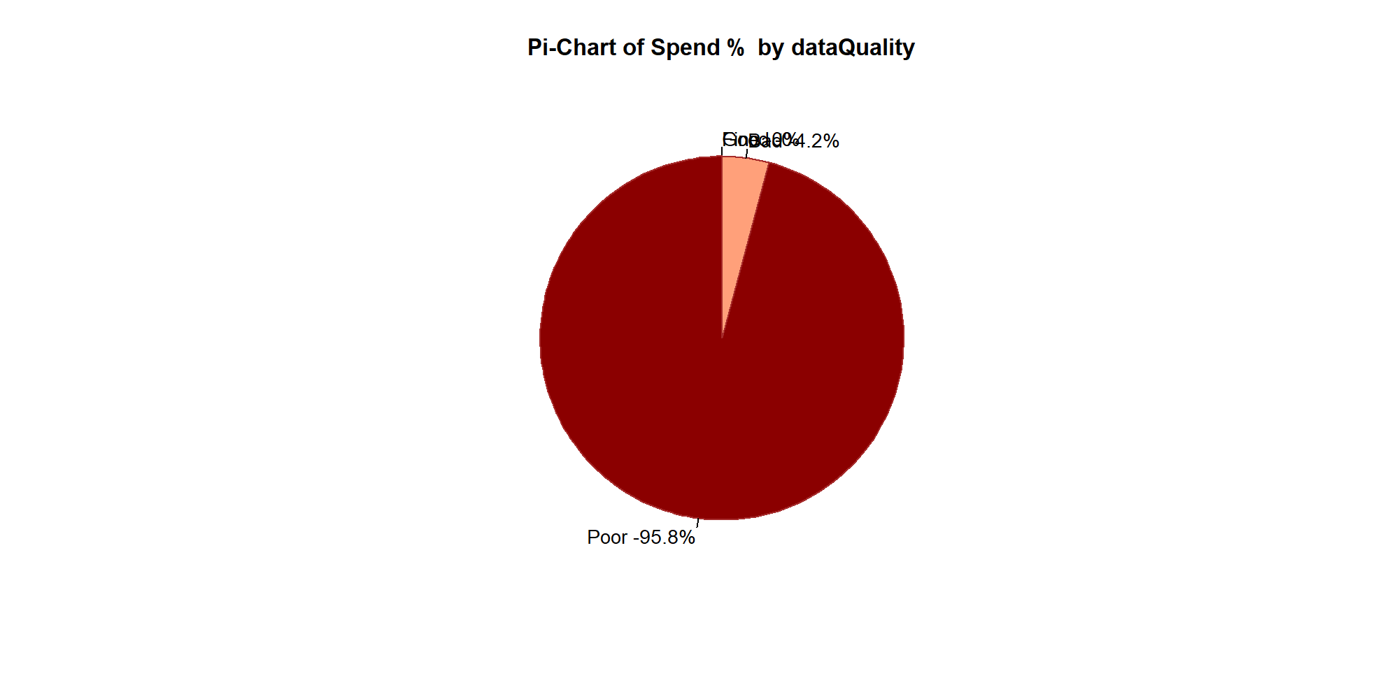
 | DataQuality | Desc | Spend | TotalLines | SpendPerc
1 | Good | MN+MPN, >=4 Words | 0 | 0 | 0
2 | Fine | MN+MPN, <4 Words | 96201 | 46 | 0%
3 | Bad | Without MN+MPN, >=4 Words | 100294906.23 | 58175 | 4.2%
4 | Poor | Without MN+MPN, <4 Words | 2306776551.5 | 1525030 | 95.8%

